general info
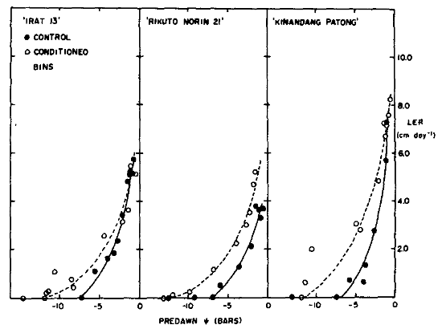
Parent, B., B. Suard, R. Serraj and F. Tardieu (2010). "Rice leaf growth and water potential are resilient to evaporative demand and soil water deficit once the effects of root system are neutralized." Plant Cell Environ 33(8): 1256-1267. | Cutler | J. | M. | K. | W. | Shahan | and | P. | L. | Steponkus | (1980). | Influence of Water Deficits and Osmotic Adjustment on Leaf Elongation in Rice1. | Crop | Science | 20(3): | 314-318.
 | LER versus predawn lwp for 3 to 6 leaves, daily sampled pots, rapid induced stress
 | control represents non conditioned plants
 | Below: LER versus rapid stress (5 to 6 days) versus predawn water potential; control - no predrought; conditions - had a predrought |  |  |  |  |  |  |  |  |  |  |  |  | upland rice studies
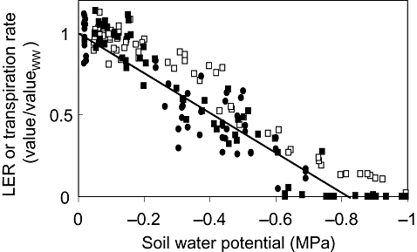
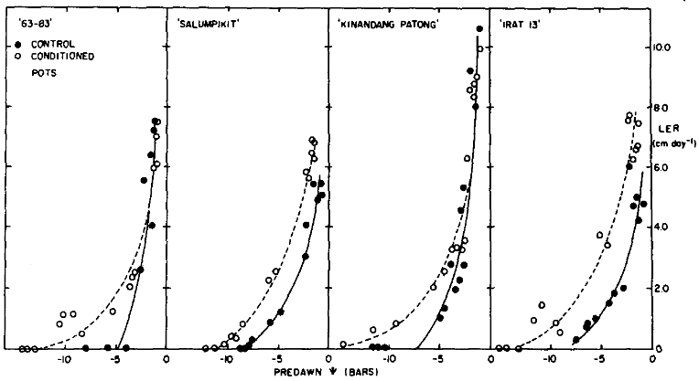
 |  |  |  |  |  |  |  |  |  |  |  |  |  |  | idea is to evaluate osmotic adjustment as mechanism for increasing turger when LWP declines and how it may be influenced by prior drought studies
 |  |  |  |  |  |  |  |  |  |  |  |  |  | four varieties tested in pots
 |  |  |  |  |  |  |  |  |  |  |  |  |  |  | control - daily irrigated until stress period
 |  |  |  |  |  |  |  |  |  |  |  |  |  |  | precondition - AWD cycles proior to stress period
 |  |  |  |  |  |  |  |  |  |  |  |  |  |  | stress period was 5 to 6 day rapid stress with water withheld

 |  |  |  |  |  |  |  |  |  |  |  |  |  | three varieties in bins
 |  |  |  |  |  |  |  |  |  |  |  |  |  |  | control - daily irrigated until challenge stress
 |  |  |  |  |  |  |  |  |  |  |  |  |  |  | conditioned - drying cycle for 11 to 14 day slow ycle

 |  |  |  |  |  |  |  |  |  |  |  |  |  | leaf length and pressurebomb measurements on leaves 3 to 6 of similar tillers and locations
 |  |  |  |  |  |  |  |  |  |  |  |  |  |  | -LER based on ink ligule and therafter

 |  |  |  |  |  |  |  |  |  |  |  |  |  | Goal
 |  |  |  |  |  |  |  |  |  |  |  |  |  |  | average the data together across cultivars for control verss conditions for :slow versus early responses.
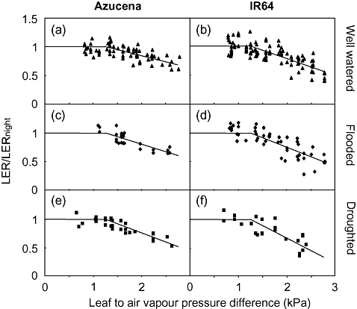

 | Below:
 | as above but conditioned / slow development in bins for longer term water stress application

datasets for curve fitting
Extracted from Cutler using graphreader |  |  |  |  |  |  |  |  |  |  |  |  |  |  |  |  |  |  |  |  | all together |  |  |  |  | From R |  | pre fast | control fast | pre slow | control slow
fast droughted response curves |  |  |  |  |  |  |  |  |  |  |  | slow droughted response curves |  |  |  |  |  |  |  |  | LER | Psi | variety | drought | condition |  | sf | 5.44 | 12.84 | 3.208 | no fit
 |  |  |  |  |  |  |  |  |  |  |  |  |  |  |  |  |  |  |  |  | 0.151 | -1.3764 | c6303 | fast | pre |  | phyf | -0.31 | -0.265 | -0.18
CONDITIONED RESPONSES THIS UPPER SECTION |  |  |  |  |  |  |  |  |  |  |  |  |  |  |  |  |  |  |  |  | 0.211 | -1.304 | c6303 | fast | pre
cultivar 63-03 |  |  | cultivar 'SALUMPPIKIT' |  |  | cultivar 'KINANDANG PATONG' |  |  | cultivar 'IRAT 13' |  |  | cultivar 'IRAT 13' |  |  | cultivar 'RIKUTA NORIN 21' |  |  | cultivar 'KINANDANG PATONG' |  |  | 0.211 | -1.2358 | c6303 | fast | pre | For rapid, preconditioned response |  |  |  | for rapid contorl response |  | for slow preconditioned response
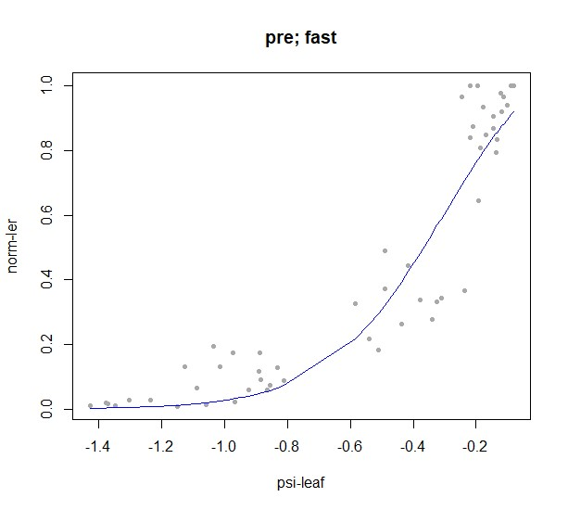
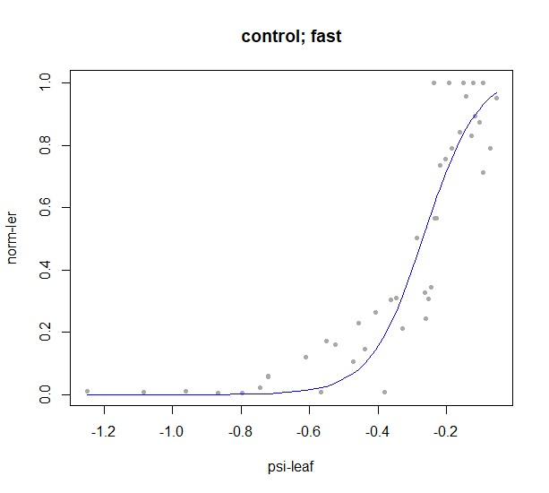
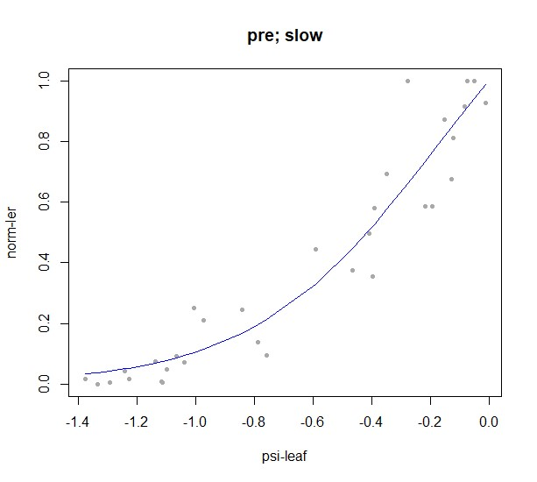
x-axis | LER (cm d-1) | psi | x-axis | LER (cm d-1) | psi | x-axis | LER (cm d-1) | psi | x-axis | LER (cm d-1) | psi | x-axis | LER (cm d-1) | psi | x-axis | LER (cm d-1) | psi | x-axis | LER (cm d-1) | psi | 0.994 | -1.0142 | c6303 | fast | pre
1.236 | 0.151 | -1.3764 | 3.517 | 0.061 | -1.1483 | 1.306 | 0.152 | -1.3694 | 0.72 | 0.091 | -1.428 | 1.225 | 0.099 | -1.3775 | 12.229 | 5.304 | -0.2771 | 2.737 | 0.132 | -1.2263 | 1.325 | -0.9716 | c6303 | fast | pre
1.96 | 0.211 | -1.304 | 4.407 | 0.091 | -1.0593 | 4.129 | 0.636 | -1.0871 | 1.525 | 0.091 | -1.3475 | 3.861 | 0.033 | -1.1139 | 11.527 | 3.68 | -0.3473 | 3.825 | 0.066 | -1.1175 | 1.325 | -0.8864 | c6303 | fast | pre
2.642 | 0.211 | -1.2358 | 5.339 | 0.152 | -0.9661 | 6.152 | 0.909 | -0.8848 | 3.729 | 1.03 | -1.1271 | 4.01 | 0.265 | -1.099 | 11.084 | 3.083 | -0.3916 | 4.35 | 0.758 | -1.065 | 0.663 | -0.8097 | c6303 | fast | pre
4.858 | 0.994 | -1.0142 | 5.763 | 0.426 | -0.9237 | 9.607 | 2.152 | -0.5393 | 4.661 | 1.515 | -1.0339 | 4.604 | 0.398 | -1.0396 | 9.089 | 2.354 | -0.5911 | 4.95 | 2.077 | -1.005 | 1.386 | -0.5114 | c6303 | fast | pre
5.284 | 1.325 | -0.9716 | 6.356 | 0.426 | -0.8644 | 10.618 | 2.606 | -0.4382 | 6.102 | 0.909 | -0.8898 | 5.272 | 1.16 | -0.9728 | 6.576 | 1.293 | -0.8424 | 10.35 | 3.099 | -0.465 | 2.108 | -0.3409 | c6303 | fast | pre
6.136 | 1.325 | -0.8864 | 6.695 | 0.913 | -0.8305 | 11.208 | 3.333 | -0.3792 | 6.441 | 0.576 | -0.8559 | 7.129 | 0.762 | -0.7871 | 3.621 | 0.398 | -1.1379 | 11.025 | 2.934 | -0.3975 | 2.53 | -0.3239 | c6303 | fast | pre
6.903 | 0.663 | -0.8097 | 9.153 | 2.312 | -0.5847 | 11.882 | 3.394 | -0.3118 | 10.085 | 3.848 | -0.4915 | 7.426 | 0.53 | -0.7574 | 2.586 | 0.232 | -1.2414 | 12.825 | 4.846 | -0.2175 | 6.054 | -0.1364 | c6303 | fast | pre
9.886 | 1.386 | -0.5114 | 10.085 | 2.616 | -0.4915 | 12.64 | 3.636 | -0.236 | 10.847 | 3.485 | -0.4153 | 10.916 | 2.751 | -0.4084 | 2.069 | 0.033 | -1.2931 | 13.5 | 7.22 | -0.15 | 7.169 | -0.1023 | c6303 | fast | pre
11.591 | 2.108 | -0.3409 | 12.797 | 5.932 | -0.2203 | 12.893 | 8.667 | -0.2107 | 12.542 | 7.576 | -0.2458 | 13.069 | 3.249 | -0.1931 | 1.663 | 0 | -1.3337 | 13.8 | 6.725 | -0.12 | 7.62 | -0.081 | c6303 | fast | pre
11.761 | 2.53 | -0.3239 | 13.051 | 7.057 | -0.1949 | 13.062 | 6.394 | -0.1938 | 12.797 | 7.848 | -0.2203 | 13.738 | 3.746 | -0.1262 |  |  |  | 14.175 | 7.582 | -0.0825 | 0.06 | -0.5678 | c6303 | fast | control
13.636 | 6.054 | -0.1364 | 13.22 | 6.601 | -0.178 | 13.652 | 8.273 | -0.1348 | 13.136 | 6.333 | -0.1864 | 14.257 | 5.536 | -0.0743 |  |  |  | 14.513 | 8.275 | -0.0487 | 0.06 | -0.3814 | c6303 | fast | control
13.977 | 7.169 | -0.1023 | 13.559 | 6.388 | -0.1441 | 13.82 | 9.121 | -0.118 | 13.305 | 6.667 | -0.1695 | 14.889 | 5.138 | -0.0111 |  |  |  |  |  |  | 2.617 | -0.2458 | c6303 | fast | control
14.19 | 7.62 | -0.081 | 13.771 | 6.905 | -0.1229 | 14.115 | 9.909 | -0.0885 | 13.559 | 6.818 | -0.1441 |  |  |  |  |  |  |  |  |  | 5.564 | -0.2203 | c6303 | fast | control
 |  |  |  |  |  |  |  |  | 13.856 | 7.576 | -0.1144 |  |  |  |  |  |  |  |  |  | 6.376 | -0.161 | c6303 | fast | control
 |  |  |  |  |  |  |  |  |  |  |  |  |  |  |  |  |  |  |  |  | 7.248 | -0.1441 | c6303 | fast | control
 |  |  |  |  |  |  |  |  |  |  |  |  |  |  |  |  |  |  |  |  | 7.579 | -0.1229 | c6303 | fast | control
CONTROL RESPONSES THIS LOWER SECTION |  |  |  |  |  |  |  |  |  |  |  |  |  |  |  |  |  |  |  |  | 0.061 | -1.1483 | salum | fast | pre
 |  |  |  |  |  |  |  |  |  |  |  |  |  |  |  |  |  |  |  |  | 0.091 | -1.0593 | salum | fast | pre
cultivar 63-03 |  |  | cultivar 'SALUMPPIKIT' |  |  | cultivar 'KINANDANG PATONG' |  |  | cultivar 'IRAT 13' |  |  | cultivar 'IRAT 13' |  |  | cultivar 'RIKUTA NORIN 21' |  |  | cultivar 'KINANDANG PATONG' |  |  | 0.152 | -0.9661 | salum | fast | pre
x-axis | LER (cm d-1) | psi | x-axis | LER (cm d-1) | psi | x-axis | LER (cm d-1) | psi | x-axis | LER (cm d-1) | psi | x-axis | LER (cm d-1) | psi | x-axis | LER (cm d-1) | psi | x-axis | LER (cm d-1) | psi | 0.426 | -0.9237 | salum | fast | pre
7.246 | 0.06 | -0.7754 | 6.314 | 0.03 | -0.8686 | 4.171 | 0.061 | -1.0829 | 2.5 | 0.061 | -1.25 | 8.354 | 0.033 | -0.6646 | 6.392 | 3.878 | -0.8608 | 7.987 | 0.132 | -0.7013 | 0.426 | -0.8644 | salum | fast | pre
9.322 | 0.06 | -0.5678 | 7.034 | 0.03 | -0.7966 | 5.393 | 0.091 | -0.9607 | 7.797 | 0.364 | -0.7203 | 9.579 | 1.193 | -0.5421 | 5.837 | 3.779 | -0.9163 | 9.45 | 0.791 | -0.555 | 0.913 | -0.8305 | salum | fast | pre
11.186 | 0.06 | -0.3814 | 7.542 | 0.122 | -0.7458 | 10.281 | 0.97 | -0.4719 | 8.898 | 0.727 | -0.6102 | 11.361 | 1.823 | -0.3639 | 3.177 | 3.68 | -1.1823 | 11.1 | 0.725 | -0.39 | 2.312 | -0.5847 | salum | fast | pre
12.542 | 2.617 | -0.2458 | 7.797 | 0.304 | -0.7203 | 10.618 | 1.364 | -0.4382 | 9.746 | 0.97 | -0.5254 | 11.955 | 1.823 | -0.3045 | 2.069 | 2.221 | -1.2931 | 11.4 | 1.549 | -0.36 | 2.616 | -0.4915 | salum | fast | pre
12.797 | 5.564 | -0.2203 | 9.492 | 0.943 | -0.5508 | 11.376 | 2.818 | -0.3624 | 10.932 | 1.606 | -0.4068 | 12.475 | 2.486 | -0.2525 | 1.478 | 1.459 | -1.3522 | 12.45 | 2.835 | -0.255 | 5.932 | -0.2203 | salum | fast | pre
13.39 | 6.376 | -0.161 | 10.424 | 1.247 | -0.4576 | 11.713 | 1.97 | -0.3287 | 11.525 | 1.879 | -0.3475 | 13.292 | 3.481 | -0.1708 | 0.961 | 0.63 | -1.4039 | 13.65 | 7.253 | -0.135 | 7.057 | -0.1949 | salum | fast | pre
13.559 | 7.248 | -0.1441 | 12.712 | 3.103 | -0.2288 | 12.135 | 4.667 | -0.2865 | 12.373 | 2 | -0.2627 | 13.589 | 4.84 | -0.1411 | 0.333 | 0.066 | -1.4667 | 13.912 | 5.703 | -0.1088 | 6.601 | -0.178 | salum | fast | pre
13.771 | 7.579 | -0.1229 | 12.966 | 4.137 | -0.2034 | 12.388 | 2.273 | -0.2612 | 12.627 | 6.091 | -0.2373 | 13.738 | 5.171 | -0.1262 |  |  |  |  |  |  | 6.388 | -0.1441 | salum | fast | pre
 |  |  | 13.475 | 5.475 | -0.1525 | 12.472 | 2.848 | -0.2528 | 13.136 | 4.818 | -0.1864 | 14.109 | 5.238 | -0.0891 |  |  |  |  |  |  | 6.905 | -0.1229 | salum | fast | pre
 |  |  | 13.814 | 4.897 | -0.1186 | 12.64 | 5.273 | -0.236 | 13.729 | 5.061 | -0.1271 | 14.517 | 5.801 | -0.0483 |  |  |  |  |  |  | 0.03 | -0.8686 | salum | fast | control
 |  |  | 14.068 | 5.475 | -0.0932 | 13.062 | 9.303 | -0.1938 | 14.068 | 4.333 | -0.0932 |  |  |  |  |  |  |  |  |  | 0.03 | -0.7966 | salum | fast | control
 |  |  | 14.449 | 5.202 | -0.0551 | 13.947 | 8.121 | -0.1053 | 14.28 | 4.818 | -0.072 |  |  |  |  |  |  |  |  |  | 0.122 | -0.7458 | salum | fast | control
 |  |  |  |  |  |  |  |  |  |  |  |  |  |  |  |  |  |  |  |  | 0.304 | -0.7203 | salum | fast | control
 |  |  |  |  |  |  |  |  |  |  |  |  |  |  |  |  |  |  |  |  | 0.943 | -0.5508 | salum | fast | control
 |  |  |  |  |  |  |  |  |  |  |  |  |  |  |  |  |  |  |  |  | 1.247 | -0.4576 | salum | fast | control
 |  |  |  |  |  |  |  |  |  |  |  |  |  |  |  |  |  |  |  |  | 3.103 | -0.2288 | salum | fast | control
 |  |  |  |  |  |  |  |  |  |  |  |  |  |  |  |  |  |  |  |  | 4.137 | -0.2034 | salum | fast | control
 |  |  |  |  |  |  |  |  |  |  |  |  |  |  |  |  |  |  |  |  | 5.475 | -0.1525 | salum | fast | control
 |  |  |  |  |  |  |  |  |  |  |  |  |  |  |  |  |  |  |  |  | 4.897 | -0.1186 | salum | fast | control
 |  |  |  |  |  |  |  |  |  |  |  |  |  |  |  |  |  |  |  |  | 5.475 | -0.0932 | salum | fast | control
 |  |  |  |  |  |  |  |  |  |  |  |  |  |  |  |  |  |  |  |  | 5.202 | -0.0551 | salum | fast | control
 |  |  |  |  |  |  |  |  |  |  |  |  |  |  |  |  |  |  |  |  | 0.152 | -1.3694 | kinan | fast | pre
 |  |  |  |  |  |  |  |  |  |  |  |  |  |  |  |  |  |  |  |  | 0.636 | -1.0871 | kinan | fast | pre
 |  |  |  |  |  |  |  |  |  |  |  |  |  |  |  |  |  |  |  |  | 0.909 | -0.8848 | kinan | fast | pre
 |  |  |  |  |  |  |  |  |  |  |  |  |  |  |  |  |  |  |  |  | 2.152 | -0.5393 | kinan | fast | pre
 |  |  |  |  |  |  |  |  |  |  |  |  |  |  |  |  |  |  |  |  | 2.606 | -0.4382 | kinan | fast | pre
 |  |  |  |  |  |  |  |  |  |  |  |  |  |  |  |  |  |  |  |  | 3.333 | -0.3792 | kinan | fast | pre
 |  |  |  |  |  |  |  |  |  |  |  |  |  |  |  |  |  |  |  |  | 3.394 | -0.3118 | kinan | fast | pre
 |  |  |  |  |  |  |  |  |  |  |  |  |  |  |  |  |  |  |  |  | 3.636 | -0.236 | kinan | fast | pre
 |  |  |  |  |  |  |  |  |  |  |  |  |  |  |  |  |  |  |  |  | 8.667 | -0.2107 | kinan | fast | pre
 |  |  |  |  |  |  |  |  |  |  |  |  |  |  |  |  |  |  |  |  | 6.394 | -0.1938 | kinan | fast | pre
 |  |  |  |  |  |  |  |  |  |  |  |  |  |  |  |  |  |  |  |  | 8.273 | -0.1348 | kinan | fast | pre
 |  |  |  |  |  |  |  |  |  |  |  |  |  |  |  |  |  |  |  |  | 9.121 | -0.118 | kinan | fast | pre
 |  |  |  |  |  |  |  |  |  |  |  |  |  |  |  |  |  |  |  |  | 9.909 | -0.0885 | kinan | fast | pre
 |  |  |  |  |  |  |  |  |  |  |  |  |  |  |  |  |  |  |  |  | 0.061 | -1.0829 | kinan | fast | control
 |  |  |  |  |  |  |  |  |  |  |  |  |  |  |  |  |  |  |  |  | 0.091 | -0.9607 | kinan | fast | control
 |  |  |  |  |  |  |  |  |  |  |  |  |  |  |  |  |  |  |  |  | 0.97 | -0.4719 | kinan | fast | control
 |  |  |  |  |  |  |  |  |  |  |  |  |  |  |  |  |  |  |  |  | 1.364 | -0.4382 | kinan | fast | control
 |  |  |  |  |  |  |  |  |  |  |  |  |  |  |  |  |  |  |  |  | 2.818 | -0.3624 | kinan | fast | control
 |  |  |  |  |  |  |  |  |  |  |  |  |  |  |  |  |  |  |  |  | 1.97 | -0.3287 | kinan | fast | control
 |  |  |  |  |  |  |  |  |  |  |  |  |  |  |  |  |  |  |  |  | 4.667 | -0.2865 | kinan | fast | control
 |  |  |  |  |  |  |  |  |  |  |  |  |  |  |  |  |  |  |  |  | 2.273 | -0.2612 | kinan | fast | control
 |  |  |  |  |  |  |  |  |  |  |  |  |  |  |  |  |  |  |  |  | 2.848 | -0.2528 | kinan | fast | control
 |  |  |  |  |  |  |  |  |  |  |  |  |  |  |  |  |  |  |  |  | 5.273 | -0.236 | kinan | fast | control
 |  |  |  |  |  |  |  |  |  |  |  |  |  |  |  |  |  |  |  |  | 9.303 | -0.1938 | kinan | fast | control
 |  |  |  |  |  |  |  |  |  |  |  |  |  |  |  |  |  |  |  |  | 8.121 | -0.1053 | kinan | fast | control
 |  |  |  |  |  |  |  |  |  |  |  |  |  |  |  |  |  |  |  |  | 0.091 | -1.428 | irat | fast | pre
 |  |  |  |  |  |  |  |  |  |  |  |  |  |  |  |  |  |  |  |  | 0.091 | -1.3475 | irat | fast | pre
 |  |  |  |  |  |  |  |  |  |  |  |  |  |  |  |  |  |  |  |  | 1.03 | -1.1271 | irat | fast | pre
 |  |  |  |  |  |  |  |  |  |  |  |  |  |  |  |  |  |  |  |  | 1.515 | -1.0339 | irat | fast | pre
 |  |  |  |  |  |  |  |  |  |  |  |  |  |  |  |  |  |  |  |  | 0.909 | -0.8898 | irat | fast | pre
 |  |  |  |  |  |  |  |  |  |  |  |  |  |  |  |  |  |  |  |  | 0.576 | -0.8559 | irat | fast | pre
 |  |  |  |  |  |  |  |  |  |  |  |  |  |  |  |  |  |  |  |  | 3.848 | -0.4915 | irat | fast | pre
 |  |  |  |  |  |  |  |  |  |  |  |  |  |  |  |  |  |  |  |  | 3.485 | -0.4153 | irat | fast | pre
 |  |  |  |  |  |  |  |  |  |  |  |  |  |  |  |  |  |  |  |  | 7.576 | -0.2458 | irat | fast | pre
 |  |  |  |  |  |  |  |  |  |  |  |  |  |  |  |  |  |  |  |  | 7.848 | -0.2203 | irat | fast | pre
 |  |  |  |  |  |  |  |  |  |  |  |  |  |  |  |  |  |  |  |  | 6.333 | -0.1864 | irat | fast | pre
 |  |  |  |  |  |  |  |  |  |  |  |  |  |  |  |  |  |  |  |  | 6.667 | -0.1695 | irat | fast | pre
 |  |  |  |  |  |  |  |  |  |  |  |  |  |  |  |  |  |  |  |  | 6.818 | -0.1441 | irat | fast | pre
 |  |  |  |  |  |  |  |  |  |  |  |  |  |  |  |  |  |  |  |  | 7.576 | -0.1144 | irat | fast | pre
 |  |  |  |  |  |  |  |  |  |  |  |  |  |  |  |  |  |  |  |  | 0.061 | -1.25 | irat | fast | control
 |  |  |  |  |  |  |  |  |  |  |  |  |  |  |  |  |  |  |  |  | 0.364 | -0.7203 | irat | fast | control
 |  |  |  |  |  |  |  |  |  |  |  |  |  |  |  |  |  |  |  |  | 0.727 | -0.6102 | irat | fast | control
 |  |  |  |  |  |  |  |  |  |  |  |  |  |  |  |  |  |  |  |  | 0.97 | -0.5254 | irat | fast | control
 |  |  |  |  |  |  |  |  |  |  |  |  |  |  |  |  |  |  |  |  | 1.606 | -0.4068 | irat | fast | control
 |  |  |  |  |  |  |  |  |  |  |  |  |  |  |  |  |  |  |  |  | 1.879 | -0.3475 | irat | fast | control
 |  |  |  |  |  |  |  |  |  |  |  |  |  |  |  |  |  |  |  |  | 2 | -0.2627 | irat | fast | control
 |  |  |  |  |  |  |  |  |  |  |  |  |  |  |  |  |  |  |  |  | 6.091 | -0.2373 | irat | fast | control
 |  |  |  |  |  |  |  |  |  |  |  |  |  |  |  |  |  |  |  |  | 4.818 | -0.1864 | irat | fast | control
 |  |  |  |  |  |  |  |  |  |  |  |  |  |  |  |  |  |  |  |  | 5.061 | -0.1271 | irat | fast | control
 |  |  |  |  |  |  |  |  |  |  |  |  |  |  |  |  |  |  |  |  | 4.333 | -0.0932 | irat | fast | control
 |  |  |  |  |  |  |  |  |  |  |  |  |  |  |  |  |  |  |  |  | 4.818 | -0.072 | irat | fast | control
 |  |  |  |  |  |  |  |  |  |  |  |  |  |  |  |  |  |  |  |  | 0.099 | -1.3775 | irat | slow | pre
 |  |  |  |  |  |  |  |  |  |  |  |  |  |  |  |  |  |  |  |  | 0.033 | -1.1139 | irat | slow | pre
 |  |  |  |  |  |  |  |  |  |  |  |  |  |  |  |  |  |  |  |  | 0.265 | -1.099 | irat | slow | pre
 |  |  |  |  |  |  |  |  |  |  |  |  |  |  |  |  |  |  |  |  | 0.398 | -1.0396 | irat | slow | pre
 |  |  |  |  |  |  |  |  |  |  |  |  |  |  |  |  |  |  |  |  | 1.16 | -0.9728 | irat | slow | pre
 |  |  |  |  |  |  |  |  |  |  |  |  |  |  |  |  |  |  |  |  | 0.762 | -0.7871 | irat | slow | pre
 |  |  |  |  |  |  |  |  |  |  |  |  |  |  |  |  |  |  |  |  | 0.53 | -0.7574 | irat | slow | pre
 |  |  |  |  |  |  |  |  |  |  |  |  |  |  |  |  |  |  |  |  | 2.751 | -0.4084 | irat | slow | pre
 |  |  |  |  |  |  |  |  |  |  |  |  |  |  |  |  |  |  |  |  | 3.249 | -0.1931 | irat | slow | pre
 |  |  |  |  |  |  |  |  |  |  |  |  |  |  |  |  |  |  |  |  | 3.746 | -0.1262 | irat | slow | pre
 |  |  |  |  |  |  |  |  |  |  |  |  |  |  |  |  |  |  |  |  | 5.536 | -0.0743 | irat | slow | pre
 |  |  |  |  |  |  |  |  |  |  |  |  |  |  |  |  |  |  |  |  | 5.138 | -0.0111 | irat | slow | pre
 |  |  |  |  |  |  |  |  |  |  |  |  |  |  |  |  |  |  |  |  | 0.033 | -0.6646 | irat | slow | control
 |  |  |  |  |  |  |  |  |  |  |  |  |  |  |  |  |  |  |  |  | 1.193 | -0.5421 | irat | slow | control
 |  |  |  |  |  |  |  |  |  |  |  |  |  |  |  |  |  |  |  |  | 1.823 | -0.3639 | irat | slow | control
 |  |  |  |  |  |  |  |  |  |  |  |  |  |  |  |  |  |  |  |  | 1.823 | -0.3045 | irat | slow | control
 |  |  |  |  |  |  |  |  |  |  |  |  |  |  |  |  |  |  |  |  | 2.486 | -0.2525 | irat | slow | control
 |  |  |  |  |  |  |  |  |  |  |  |  |  |  |  |  |  |  |  |  | 3.481 | -0.1708 | irat | slow | control
 |  |  |  |  |  |  |  |  |  |  |  |  |  |  |  |  |  |  |  |  | 4.84 | -0.1411 | irat | slow | control
 |  |  |  |  |  |  |  |  |  |  |  |  |  |  |  |  |  |  |  |  | 5.171 | -0.1262 | irat | slow | control
 |  |  |  |  |  |  |  |  |  |  |  |  |  |  |  |  |  |  |  |  | 5.238 | -0.0891 | irat | slow | control
 |  |  |  |  |  |  |  |  |  |  |  |  |  |  |  |  |  |  |  |  | 5.801 | -0.0483 | irat | slow | control
 |  |  |  |  |  |  |  |  |  |  |  |  |  |  |  |  |  |  |  |  | 5.304 | -0.2771 | rikuta | slow | pre
 |  |  |  |  |  |  |  |  |  |  |  |  |  |  |  |  |  |  |  |  | 3.68 | -0.3473 | rikuta | slow | pre
 |  |  |  |  |  |  |  |  |  |  |  |  |  |  |  |  |  |  |  |  | 3.083 | -0.3916 | rikuta | slow | pre
 |  |  |  |  |  |  |  |  |  |  |  |  |  |  |  |  |  |  |  |  | 2.354 | -0.5911 | rikuta | slow | pre
 |  |  |  |  |  |  |  |  |  |  |  |  |  |  |  |  |  |  |  |  | 1.293 | -0.8424 | rikuta | slow | pre
 |  |  |  |  |  |  |  |  |  |  |  |  |  |  |  |  |  |  |  |  | 0.398 | -1.1379 | rikuta | slow | pre
 |  |  |  |  |  |  |  |  |  |  |  |  |  |  |  |  |  |  |  |  | 0.232 | -1.2414 | rikuta | slow | pre
 |  |  |  |  |  |  |  |  |  |  |  |  |  |  |  |  |  |  |  |  | 0.033 | -1.2931 | rikuta | slow | pre
 |  |  |  |  |  |  |  |  |  |  |  |  |  |  |  |  |  |  |  |  | 0 | -1.3337 | rikuta | slow | pre
 |  |  |  |  |  |  |  |  |  |  |  |  |  |  |  |  |  |  |  |  | 3.878 | -0.8608 | rikuta | slow | control
 |  |  |  |  |  |  |  |  |  |  |  |  |  |  |  |  |  |  |  |  | 3.779 | -0.9163 | rikuta | slow | control
 |  |  |  |  |  |  |  |  |  |  |  |  |  |  |  |  |  |  |  |  | 3.68 | -1.1823 | rikuta | slow | control
 |  |  |  |  |  |  |  |  |  |  |  |  |  |  |  |  |  |  |  |  | 2.221 | -1.2931 | rikuta | slow | control
 |  |  |  |  |  |  |  |  |  |  |  |  |  |  |  |  |  |  |  |  | 1.459 | -1.3522 | rikuta | slow | control
 |  |  |  |  |  |  |  |  |  |  |  |  |  |  |  |  |  |  |  |  | 0.63 | -1.4039 | rikuta | slow | control
 |  |  |  |  |  |  |  |  |  |  |  |  |  |  |  |  |  |  |  |  | 0.066 | -1.4667 | rikuta | slow | control
 |  |  |  |  |  |  |  |  |  |  |  |  |  |  |  |  |  |  |  |  | 0.132 | -1.2263 | kinan | slow | pre
 |  |  |  |  |  |  |  |  |  |  |  |  |  |  |  |  |  |  |  |  | 0.066 | -1.1175 | kinan | slow | pre
 |  |  |  |  |  |  |  |  |  |  |  |  |  |  |  |  |  |  |  |  | 0.758 | -1.065 | kinan | slow | pre
 |  |  |  |  |  |  |  |  |  |  |  |  |  |  |  |  |  |  |  |  | 2.077 | -1.005 | kinan | slow | pre
 |  |  |  |  |  |  |  |  |  |  |  |  |  |  |  |  |  |  |  |  | 3.099 | -0.465 | kinan | slow | pre
 |  |  |  |  |  |  |  |  |  |  |  |  |  |  |  |  |  |  |  |  | 2.934 | -0.3975 | kinan | slow | pre
 |  |  |  |  |  |  |  |  |  |  |  |  |  |  |  |  |  |  |  |  | 4.846 | -0.2175 | kinan | slow | pre
 |  |  |  |  |  |  |  |  |  |  |  |  |  |  |  |  |  |  |  |  | 7.22 | -0.15 | kinan | slow | pre
 |  |  |  |  |  |  |  |  |  |  |  |  |  |  |  |  |  |  |  |  | 6.725 | -0.12 | kinan | slow | pre
 |  |  |  |  |  |  |  |  |  |  |  |  |  |  |  |  |  |  |  |  | 7.582 | -0.0825 | kinan | slow | pre
 |  |  |  |  |  |  |  |  |  |  |  |  |  |  |  |  |  |  |  |  | 8.275 | -0.0487 | kinan | slow | pre
 |  |  |  |  |  |  |  |  |  |  |  |  |  |  |  |  |  |  |  |  | 0.132 | -0.7013 | kinan | slow | control
 |  |  |  |  |  |  |  |  |  |  |  |  |  |  |  |  |  |  |  |  | 0.791 | -0.555 | kinan | slow | control
 |  |  |  |  |  |  |  |  |  |  |  |  |  |  |  |  |  |  |  |  | 0.725 | -0.39 | kinan | slow | control
 |  |  |  |  |  |  |  |  |  |  |  |  |  |  |  |  |  |  |  |  | 1.549 | -0.36 | kinan | slow | control
 |  |  |  |  |  |  |  |  |  |  |  |  |  |  |  |  |  |  |  |  | 2.835 | -0.255 | kinan | slow | control
 |  |  |  |  |  |  |  |  |  |  |  |  |  |  |  |  |  |  |  |  | 7.253 | -0.135 | kinan | slow | control
 |  |  |  |  |  |  |  |  |  |  |  |  |  |  |  |  |  |  |  |  | 5.703 | -0.1088 | kinan | slow | control

